Impact energy
Impact Energy of Hammer and Hammer Drills

 |  |  |  | Impact Energy (J)
No. | Category | Shank | Model name | Present(J) | New EPTA standard(J) | New/Present(%)
 |  |  |  | By end of Dec. 2017 | from Jan. 2018
1 | Hammer | SDS-plus | H25PV | 4 | 2.2 | 55.0
2 | Rotary hammer drill | SDS-plus | DH24PG,DH24PH | 2.7 | 2.7 | 100.0
3 |  |  | DH26PB,DH26PC | 3.2 | 2.7 | 84.4
4 |  |  | DH28PBY,DH28PCY | 3.4 | 3.0 | 88.2
5 |  |  | DH28PMY | 3.4 | 2.9 | 85.3
6 |  |  | DH28PC,DH28PD | 3.5 | 3.2 | 91.4
7 |  |  | DH30PC2 | 5.4 | 3.2 | 59.3
8 | Li-ion Rotary hammer drill | SDS-plus | DH14DSL,DH18DSL | 1.4 | 1.2 | 85.7
9 |  |  | DH18DBDL,DH18DBL | 2.6 | 2.2 | 84.6
10 |  |  | DH18DBML,DH18DBQL | 2.6 | 2.8 | 107.7
11 |  |  | DH24DVC | 1.7 | 0.8 | 47.1
12 |  |  | DH25DAL,DH25DL | 2.8 | 2.1 | 75.0
13 |  |  | DH36DAL,DH36DL | 2.8 | 2.3 | 82.1
14 |  |  | DH36DBDL,DH36DBL | 3.3 | 2.9 | 87.9
15 |  |  | DH36DBML,DH36DBQL | 3.3 | 2.9 | 87.9
16 |  |  | DH36DPA,DH36DPB | - | 3.0 | -
17 |  |  | DH36DPC,DH36DPD | - | 2.9 | -

 |  |  |  | Impact Energy (J)
No. | Category | Shank | Model name | Present(J) | New EPTA standard(J) | New/Present(%)
 |  |  |  | By end of Dec. 2018 | from Jan. 2019
18 | Hammer | SDS-max | H41MB | 10 | 4.6 | 46.0
19 |  | SDS-max | H45ME,H45MEY | 13.5 | 10.1 | 74.8
20 |  | SDS-max | H60MC | 22 | 14.0 | 63.6
21 |  | SDS-max | H60ME,H60MEY | 26.5 | 15.9 | 60.0
22 |  | 30mm Hex Shank | H65SB3 | 45 | 37.4 | 83.1
23 |  | 28.5mm Hex Shank | H65SD3 | 45 | 33.9 | 75.3
24 |  | 30mm Hex Shank | H70SA | 42 | 23.1 | 55.0
25 |  | 28.5mm Hex Shank | H70SD | 42 | 23.2 | 55.2
26 |  | 28.5mm Hex Shank | H90SG | 70 | 57.7 | 82.4
27 |  | SDS-max | H41MB2 | - | 7.1 | N/A
28 |  | SDS-max | H41ME | - | Notify by NPA | N/A
29 | Hammer Drill | SDS-max | DH40MC | 10.5 | 7.1 | 67.6
30 |  | SDS-max | DH40MEY | 11 | 8.7 | 79.1
31 |  | SDS-max | DH45ME,DH45MEY | 13.4 | 12.2 | 91.0
32 |  | SDS-max | DH52ME,DH52MEY | 22 | 18.8 | 85.5
33 | Li-ion Hammer Drill | SDS-max | DH36DMA | - | 7.1 | N/A

 |  | 1) New EPTA Standard values should be described with "According to EPTA-Procedure 05"
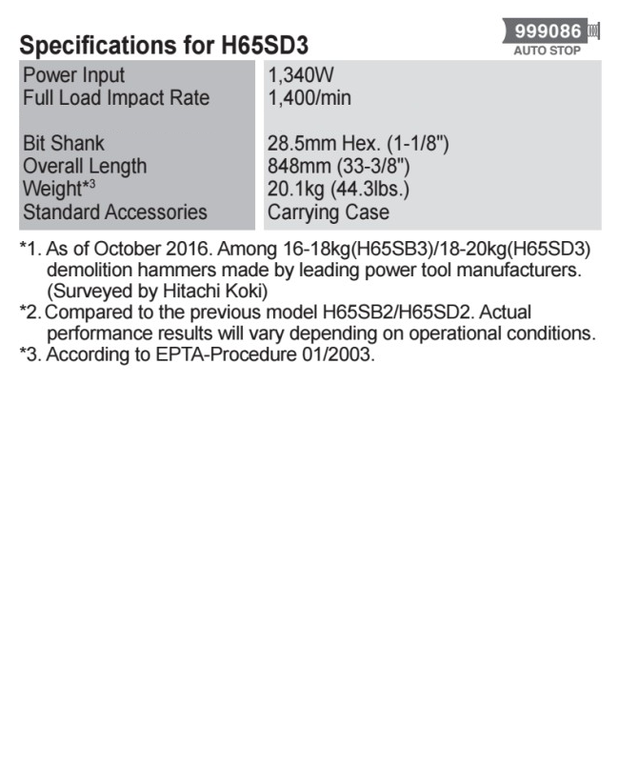
 |  | Example;

Impact energy^{*4}
33.9 Joule

*4 According to EPTA-Procedure 05

